Test scenarios
Project Name | WEB APPLICATION TESTING

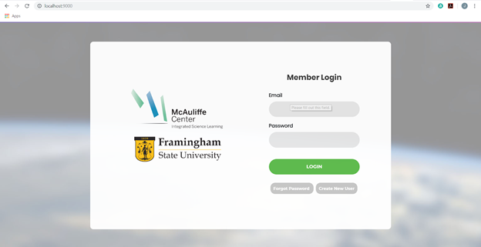
Pages | Logic | Outputs | Result | Screen Name | NOTES
Login Page | Validate if user can login with their email and password | TRUE | User can access the userpage | Login Screen
Login Page | Validate if website is connected to the database | TRUE | Email and password is available in the database | Login Screen
Login Page | Validation of email: ● Authentication of email format ● Authentication of registered email ● Connection of the database ● Shows an error if email field is empty | TRUE | Validations are complete | Login Screen
Login Page | Validation of password: ● Authentication of password format ● Authentication of registered password ● Connection to the database ● Shows an error if password field is empty | TRUE | Validations are complete | Login Screen

Login Page | Validates if all pages are working: ● Forgot Password Page ● Create New User Page ● Forgot Username Page ● Login Page | TRUE | Validations are complete | Login Screen
Database (MySQL) | Visualization of the database: | TRUE | Email and password is available | Database Software (MySQL)
 | ● If created user is in the database
 | ● If password is hashed
 | ● Shows the schema, tables, columns

